Sheet1
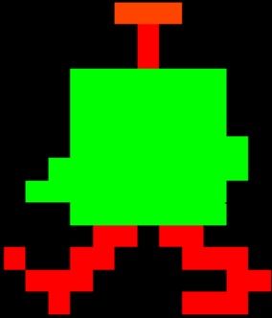
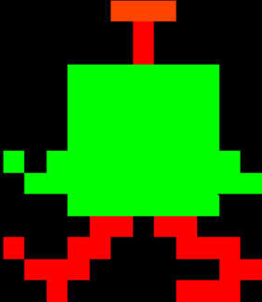
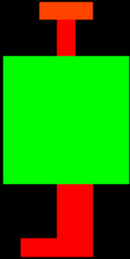
 | 0 | 1 | 2 | 3 | 4 | 5 | 6 | 7 | 8 | 9 | 10 | 11 | 12 |  |  |  | 0 | 1 | 2 | 3 | 4 | 5 | 6 | 7 | 8 | 9 | 10 | 11 | 12 |  |  |  | 0 | 1 | 2 | 3 | 4 | 5 | 6 | 7 | 8 | 9 | 10 | 11 | 12
0 | x | x | x | x | x | O | O | O | x | x | x | x | x |  |  | 0 | x | x | x | x | x | O | O | O | x | x | x | x | x |  |  | 0 | x | x | x | x | x | O | O | O | x | x | x | x | x
1 | x | x | x | x | x | x | R | x | x | x | x | x | x |  |  | 1 | x | x | x | x | x | x | R | x | x | x | x | x | x |  |  | 1 | x | x | x | x | x | x | R | x | x | x | x | x | x |  |  | x | Black
2 | x | x | x | x | x | x | R | x | x | x | x | x | x |  |  | 2 | x | x | x | x | x | x | R | x | x | x | x | x | x |  |  | 2 | x | x | x | x | x | x | R | x | x | x | x | x | x |  |  | B | Blue
3 | x | x | x | G | G | G | G | G | G | G | x | x | x |  |  | 3 | x | x | x | G | G | G | G | G | G | G | x | x | x |  |  | 3 | x | x | x | G | G | G | G | G | G | G | x | x | x |  |  | O | Orange
4 | x | x | x | G | G | G | G | G | G | G | x | x | x |  |  | 4 | x | x | x | G | G | G | G | G | G | G | x | x | x |  |  | 4 | x | x | x | G | G | G | G | G | G | G | x | x | x |  |  | W | White
5 | x | x | x | G | G | G | G | G | G | G | x | x | x |  |  | 5 | x | x | x | G | G | G | G | G | G | G | x | x | x |  |  | 5 | x | x | x | G | G | G | G | G | G | G | x | x | x |  |  | P | Pink
6 | x | x | x | G | G | G | G | G | G | G | x | x | x |  |  | 6 | x | x | x | G | G | G | G | G | G | G | G | x | x |  |  | 6 | x | x | x | G | G | G | G | G | G | G | x | x | x |  |  | R | Red
7 | x | x | x | G | G | G | G | G | G | G | x | x | x |  |  | 7 | x | x | G | G | G | G | G | G | G | G | G | x | x |  |  | 7 | G | x | G | G | G | G | G | G | G | G | G | x | x |  |  | g | Grey
8 | x | x | x | G | G | G | G | G | G | G | x | x | x |  |  | 8 | x | G | G | G | G | G | G | G | G | G | x | x | x |  |  | 8 | x | G | G | G | G | G | G | G | G | G | G | G | x |  |  | Y | Yellow
9 | x | x | x | G | G | G | G | G | G | G | x | x | x |  |  | 9 | x | x | x | G | G | G | G | G | G | G | x | x | x |  |  | 9 | x | x | x | G | G | G | G | G | G | G | x | x | x |  |  | V | Violet (Purple)
10 | x | x | x | x | x | x | R | R | x | x | x | x | x |  |  | 10 | x | x | x | x | R | R | x | R | R | x | x | x | x |  |  | 10 | x | x | x | x | R | R | x | R | R | x | x | x | x |  |  | G | Green
11 | x | x | x | x | x | x | R | R | x | x | x | x | x |  |  | 11 | R | x | x | R | R | x | x | x | R | R | R | x | x |  |  | 11 | R | x | x | R | R | x | x | x | R | R | R | x | x
12 | x | x | x | x | x | x | R | R | x | x | x | x | x |  |  | 12 | x | R | R | R | x | x | x | x | x | x | R | R | x |  |  | 12 | x | R | R | R | x | x | x | x | x | x | R | R | x
13 | x | x | x | x | R | R | R | R | x | x | x | x | x |  |  | 13 | x | x | R | x | x | x | x | x | R | R | R | x | x |  |  | 13 | x | x | R | x | x | x | x | x | R | R | R | x | x
14 | x | x | x | x | x | x | x | x | x | x | x | x | x |  |  | 14 | x | x | x | x | x | x | x | x | x | x | x | x | x |  |  | 14 | x | x | x | x | x | x | x | x | x | x | x | x | x
15 | x | x | x | x | x | x | x | x | x | x | x | x | x | hulk1 |  | 15 | x | x | x | x | x | x | x | x | x | x | x | x | x | hulk2 |  | 15 | x | x | x | x | x | x | x | x | x | x | x | x | x | hulk3

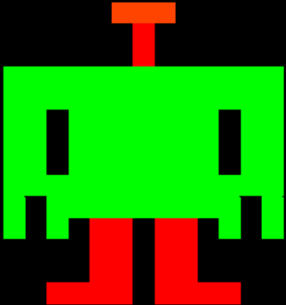
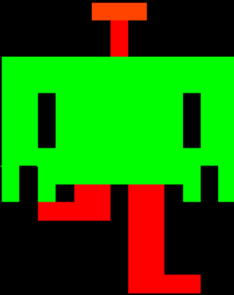
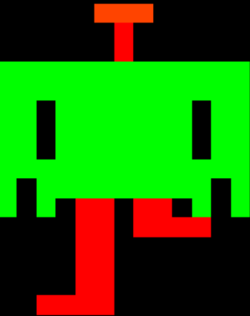
 | 0 | 1 | 2 | 3 | 4 | 5 | 6 | 7 | 8 | 9 | 10 | 11 | 12 |  |  |  | 0 | 1 | 2 | 3 | 4 | 5 | 6 | 7 | 8 | 9 | 10 | 11 | 12 |  |  |  | 0 | 1 | 2 | 3 | 4 | 5 | 6 | 7 | 8 | 9 | 10 | 11 | 12
0 | x | x | x | x | x | O | O | O | x | x | x | x | x |  |  | 0 | x | x | x | x | x | O | O | O | x | x | x | x | x |  |  | 0 | x | x | x | x | x | O | O | O | x | x | x | x | x
1 | x | x | x | x | x | x | R | x | x | x | x | x | x |  |  | 1 | x | x | x | x | x | x | R | x | x | x | x | x | x |  |  | 1 | x | x | x | x | x | x | R | x | x | x | x | x | x
2 | x | x | x | x | x | x | R | x | x | x | x | x | x |  |  | 2 | x | x | x | x | x | x | R | x | x | x | x | x | x |  |  | 2 | x | x | x | x | x | x | R | x | x | x | x | x | x
3 | G | G | G | G | G | G | G | G | G | G | G | G | G |  |  | 3 | G | G | G | G | G | G | G | G | G | G | G | G | G |  |  | 3 | G | G | G | G | G | G | G | G | G | G | G | G | G
4 | G | G | G | G | G | G | G | G | G | G | G | G | G |  |  | 4 | G | G | G | G | G | G | G | G | G | G | G | G | G |  |  | 4 | G | G | G | G | G | G | G | G | G | G | G | G | G
5 | G | G | x | G | G | G | G | G | G | G | x | G | G |  |  | 5 | G | G | x | G | G | G | G | G | G | G | x | G | G |  |  | 5 | G | G | x | G | G | G | G | G | G | G | x | G | G
6 | G | G | x | G | G | G | G | G | G | G | x | G | G |  |  | 6 | G | G | x | G | G | G | G | G | G | G | x | G | G |  |  | 6 | G | G | x | G | G | G | G | G | G | G | x | G | G
7 | G | G | x | G | G | G | G | G | G | G | x | G | G |  |  | 7 | G | G | x | G | G | G | G | G | G | G | x | G | G |  |  | 7 | G | G | x | G | G | G | G | G | G | G | x | G | G
8 | G | G | G | G | G | G | G | G | G | G | G | G | G |  |  | 8 | G | G | G | G | G | G | G | G | G | G | G | G | G |  |  | 8 | G | G | G | G | G | G | G | G | G | G | G | G | G
9 | G | x | G | G | G | G | G | G | G | G | G | x | G |  |  | 9 | G | x | G | G | G | G | G | G | G | G | G | x | G |  |  | 9 | G | x | G | G | G | G | G | G | G | G | G | x | G
10 | G | x | G | x | R | R | x | R | R | x | G | x | G |  |  | 10 | G | x | G | x | R | R | x | R | R | x | G | x | G |  |  | 10 | G | x | G | x | R | R | x | R | R | x | G | x | G
11 | x | x | x | x | R | R | x | R | R | x | x | x | x |  |  | 11 | x | x | R | R | R | R | x | R | R | x | x | x | x |  |  | 11 | x | x | x | x | R | R | x | R | R | R | R | x | x
12 | x | x | x | x | R | R | x | R | R | x | x | x | x |  |  | 12 | x | x | x | x | x | x | x | R | R | x | x | x | x |  |  | 12 | x | x | x | x | R | R | x | x | x | x | x | x | x
13 | x | x | R | R | R | R | x | R | R | R | R | x | x |  |  | 13 | x | x | x | x | x | x | x | R | R | x | x | x | x |  |  | 13 | x | x | x | x | R | R | x | x | x | x | x | x | x
14 | x | x | x | x | x | x | x | x | x | x | x | x | x |  |  | 14 | x | x | x | x | x | x | x | R | R | x | x | x | x |  |  | 14 | x | x | x | x | R | R | x | x | x | x | x | x | x
15 | x | x | x | x | x | x | x | x | x | x | x | x | x |  | hulk4 | 15 | x | x | x | x | x | x | x | R | R | R | R | x | x |  |  | 15 | x | x | R | R | R | R | x | x | x | x | x | x | x

 |  |  |  |  |  |  |  |  |  |  |  |  |  |  |  |  |  |  |  |  |  |  |  |  |  |  |  |  |  |  | hulk5 |  |  |  |  |  |  |  |  |  |  |  |  |  |  |  | hulk6


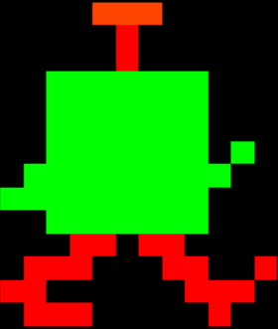
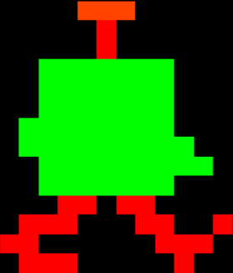
 | 0 | 1 | 2 | 3 | 4 | 5 | 6 | 7 | 8 | 9 | 10 | 11 | 12 |  |  |  | 0 | 1 | 2 | 3 | 4 | 5 | 6 | 7 | 8 | 9 | 10 | 11 | 12 |  |  |  | 0 | 1 | 2 | 3 | 4 | 5 | 6 | 7 | 8 | 9 | 10 | 11 | 12
0 | x | x | x | x | x | O | O | O | x | x | x | x | x |  |  | 0 | x | x | x | x | x | O | O | O | x | x | x | x | x |  |  | 0 | x | x | x | x | x | O | O | O | x | x | x | x | x
1 | x | x | x | x | x | x | R | x | x | x | x | x | x |  |  | 1 | x | x | x | x | x | x | R | x | x | x | x | x | x |  |  | 1 | x | x | x | x | x | x | R | x | x | x | x | x | x
2 | x | x | x | x | x | x | R | x | x | x | x | x | x |  |  | 2 | x | x | x | x | x | x | R | x | x | x | x | x | x |  |  | 2 | x | x | x | x | x | x | R | x | x | x | x | x | x
3 | x | x | x | G | G | G | G | G | G | G | x | x | x |  |  | 3 | x | x | x | G | G | G | G | G | G | G | x | x | x |  |  | 3 | x | x | x | G | G | G | G | G | G | G | x | x | x
4 | x | x | x | G | G | G | G | G | G | G | x | x | x |  |  | 4 | x | x | x | G | G | G | G | G | G | G | x | x | x |  |  | 4 | x | x | x | G | G | G | G | G | G | G | x | x | x
5 | x | x | x | G | G | G | G | G | G | G | x | x | x |  |  | 5 | x | x | x | G | G | G | G | G | G | G | x | x | x |  |  | 5 | x | x | x | G | G | G | G | G | G | G | x | x | x
6 | x | x | x | G | G | G | G | G | G | G | x | x | x |  |  | 6 | x | x | x | G | G | G | G | G | G | G | x | G | x |  |  | 6 | x | x | G | G | G | G | G | G | G | G | x | x | x
7 | x | x | x | G | G | G | G | G | G | G | x | x | x |  |  | 7 | x | x | G | G | G | G | G | G | G | G | G | x | x |  |  | 7 | x | x | G | G | G | G | G | G | G | G | G | x | x
8 | x | x | x | G | G | G | G | G | G | G | x | x | x |  |  | 8 | x | G | G | G | G | G | G | G | G | G | x | x | x |  |  | 8 | x | x | x | G | G | G | G | G | G | G | G | G | x
9 | x | x | x | G | G | G | G | G | G | G | x | x | x |  |  | 9 | x | x | x | G | G | G | G | G | G | G | x | x | x |  |  | 9 | x | x | x | G | G | G | G | G | G | G | x | x | x
10 | x | x | x | x | x | R | R | x | x | x | x | x | x |  |  | 10 | x | x | x | x | R | R | x | R | R | x | x | x | x |  |  | 10 | x | x | x | x | R | R | x | R | R | x | x | x | x
11 | x | x | x | x | x | R | R | x | x | x | x | x | x |  |  | 11 | x | x | R | R | R | x | x | x | R | R | x | x | R |  |  | 11 | x | x | R | R | R | x | x | x | R | R | x | x | R
12 | x | x | x | x | x | R | R | x | x | x | x | x | x |  |  | 12 | x | R | R | x | x | x | x | x | x | R | R | R | x |  |  | 12 | x | R | R | x | x | x | x | x | x | R | R | R | x
13 | x | x | x | x | x | R | R | R | R | x | x | x | x |  |  | 13 | x | x | R | R | R | R | x | x | x | x | R | x | x |  |  | 13 | x | x | R | R | R | x | x | x | x | x | R | x | x
14 | x | x | x | x | x | x | x | x | x | x | x | x | x |  |  | 14 | x | x | x | x | x | x | x | x | x | x | x | x | x |  |  | 14 | x | x | x | x | x | x | x | x | x | x | x | x | x
15 | x | x | x | x | x | x | x | x | x | x | x | x | x | hulk7 |  | 15 | x | x | x | x | x | x | x | x | x | x | x | x | x | hulk8 |  | 15 | x | x | x | x | x | x | x | x | x | x | x | x | x | hulk9

